Booking Pace and Booking Curve
Create an Analysis report for Booking Pace and Booking Curve

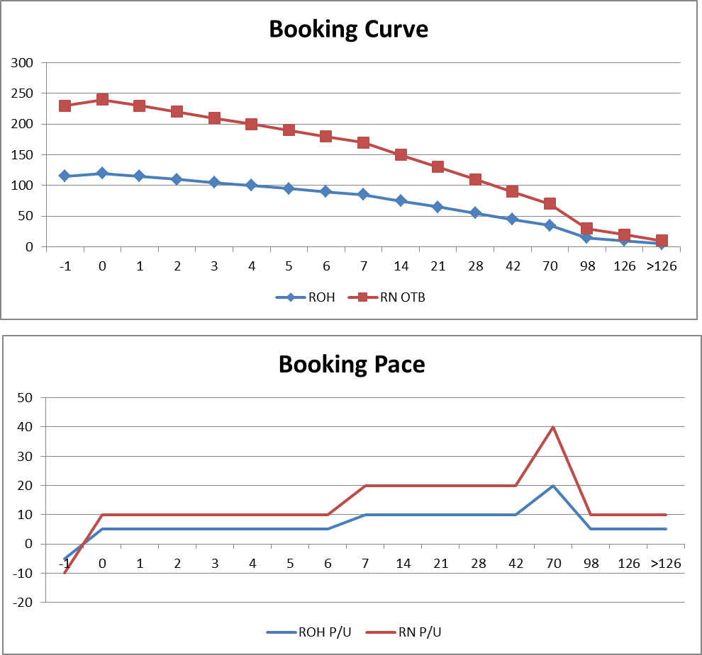
- Based on the below Data sheet (retrieved daily from PMS).
- Create a report table to analyze the Booking Pace and Booking Curve for the date 02/09/2016 (Sep 2nd, 2016)
- Note:
 | + DBA (Days before Arrival)
 | + ROH (Reservation on hand)
 | + RN OTB (Room NIght On the book)
 | + P/U (Pick up): New bookings

 | DBA | ROH | RN OTB | ROH P/U | RN P/U
 | -1 | 115 | 230 | -5 | -10
 | 0 | 120 | 240 | 5 | 10
 | 1 | 115 | 230 | 5 | 10
 | 2 | 110 | 220 | 5 | 10
 | 3 | 105 | 210 | 5 | 10
 | 4 | 100 | 200 | 5 | 10
 | 5 | 95 | 190 | 5 | 10
 | 6 | 90 | 180 | 5 | 10
 | 7 | 85 | 170 | 10 | 20
 | 14 | 75 | 150 | 10 | 20
 | 21 | 65 | 130 | 10 | 20
 | 28 | 55 | 110 | 10 | 20
 | 42 | 45 | 90 | 10 | 20
 | 70 | 35 | 70 | 20 | 40
 | 98 | 15 | 30 | 5 | 10
 | 126 | 10 | 20 | 5 | 10
 | >126 | 5 | 10 | 5 | 10

